Sheet1
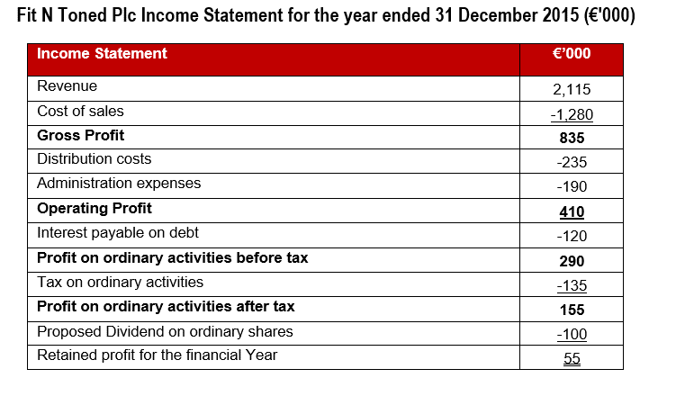
 | Profitability - Income Statement or Profit or Loss Account:
 |  |  |  |  |  |  | Answer |  | Comment
Gross Profit Margin | Gross Profit |  | *100% |  | 835 | *100% | 39.48% |  | Divide & then multiply by 100%
 | Sales Revenue |  |  |  | 2,115 |  |  |  | Answer shown as a %
 |  |  |  |  |  |  |  |  | Higher selling price or lower cost price

Operating Profit Margin | Operating Profit |  | *100% |  | 410 | *100% | 19.39% |  | Divide & then multiply by 100%
 | Sales Revenue |  |  |  | 2,115 |  |  |  | Answer shown as a %
 |  |  |  |  |  |  |  |  | 1) We've a higher Gross Profit
 | Efficiency: Income Statement & Balance Sheet |  |  |  |  |  |  |  | 2) Our cost base is better controlled

Inventory Days | Inventory/Stock |  | *365 |  | 150 | *365 | 43 |  | Divide & then multiply by 365
 | Cost of Sales |  |  |  | 1,280 |  | Days |  | Answer shown as Days
 |  |  |  |  |  |  |  |  | 1) Storage Costs 2) Obsolete 3) Cash flow tied up
 |  |  |  |  |  |  |  |  | risk: Potential Overtrading i.e. buying too much stock for our level of demand

Payables Days | Trade Payables (Creditors) |  |  | *365 | 165 | *365 | 47 |  | Divide & then multiply by 365
 | Credit Purchases |  |  |  | 1,280 |  | Days |  | Answer shown as Days
 |  |  |  |  |  |  |  |  | High answer is positive from cash flow persetcive
 |  |  |  |  |  |  |  |  | Positive from a Cash flow perspective - i.e. we are holding the cash in our accounts longer
 |  |  |  |  |  |  |  |  | Potentially negative as may impact relationship with supplier (competitors paying them quicker)
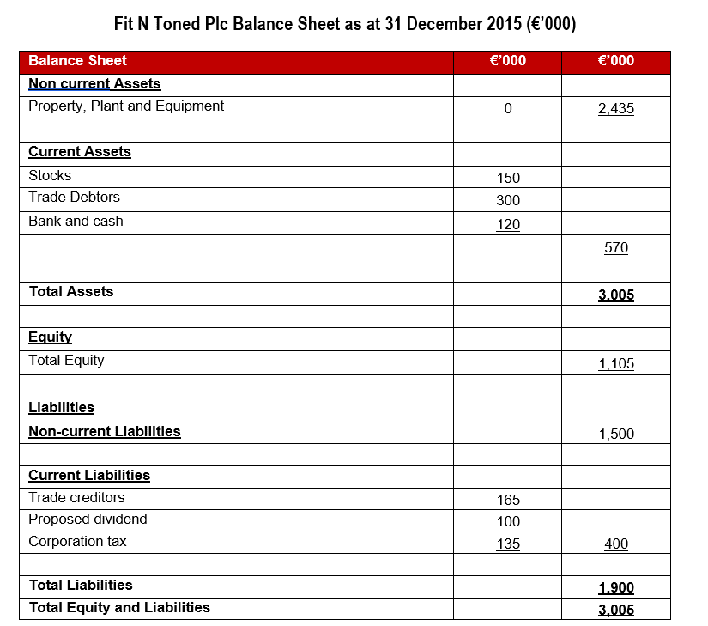
 |  |  |  |  |  |  |  |  | If lower than competitors - can we increase our days in-line with them and hold on to our cash longer?

Recievables Days | Trade Recievables (Debtors) |  |  | *365 | 300 | *365 | 52 |  | Divide & then multiply by 365
 | Credit Sales |  |  |  | 2,115 |  | Days |  | Answer shown as Days
 |  |  |  |  |  |  |  |  | High answer is negative from cash flow persetcive
 |  |  |  |  |  |  |  |  | 1) Negative from Cash Flow 2) Increased risk of bad debt 3) Possible negative impact on future stock orders if reliant on cash
 |  |  |  |  |  |  |  |  | How can we improve our debt collection/credit control?

 | Liquidity: Balance Sheet

Current Ratio (Ideal 2:1) |  | Current assets |  |  | 570 |  | 1.43 | :1 | Divide
 |  | Current Liabilities |  |  | 400 |  |  |  | Answer shown ratio :1
 |  |  |  |  |  |  |  |  | €1.43 readily available to cover every €1 in current liabilities

Acid Ratio (Ideal 1:1) |  | Current assets Less Stock |  |  | 420 |  | 1.05 | :1 | Divide
 |  | Current Liabilities |  |  | 400 |  |  |  | Answer shown ratio :1
 |  |  |  |  |  |  |  |  | €1.05 readily available to cover every €1 in current liabilities
 | Gearing: |  |  |  |  |  |  |  | Not reliant on selling stock to pay out liabilities as they fall due

Gearing Ratio <50% |  | Debt |  | *100 | 1500 | *100 | 57.58% |  | Divide & then multiply by 100%
 |  | Debt + Equity |  |  | 1500+1105 |  |  |  | Answer shown as a %
 |  |  |  |  |  |  |  |  | Above 50% is considered highly geared & reliant on debt financing

Interest Cover |  | Operating Profit |  |  | 410 |  | 3.42 |  | Divide
 |  | Interest Expense |  |  | 120 |  | Times |  | Answer shown as Times
 |  |  |  |  |  |  |  |  | Although we highly geared - we can afford it with current level of profits

